Page 2 - return instructions
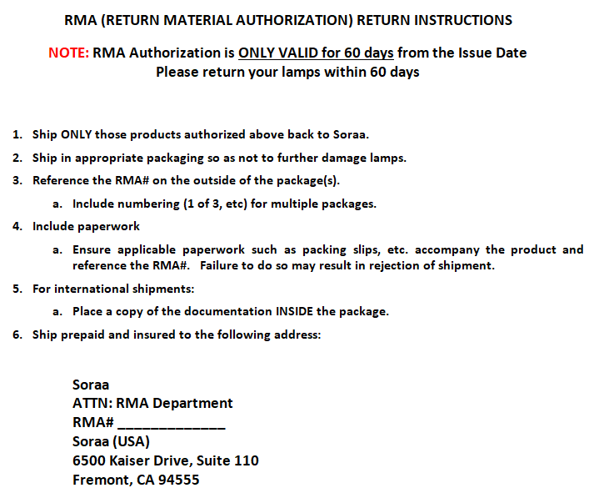
 | Please paste photos of the fixtures with the defective Soraa lamps installed. See the below examples.
 | If the defective lamp has already been removed, a photo of the fixture itself is still helpful.
 | When many lamps are faulty, please provide a photo, covering the affected area.

Page 2 - return instructions

